Sheet1
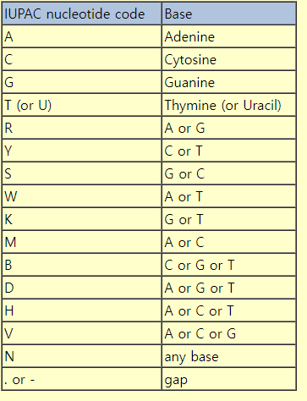
 | Primer list
Barcode No | No. | Region | Name | Sequence | Ref | Amplicon size (bp) | TM | GC (%) | 200 fmol -> ng | ng/ul |  | primer 13 set
4 | 1 | D3-D4 | DM568F | TTGAAACACGGACCAAGGAG | Moreira et.al 2006 | 284 | 56.1 | 50.0 | 36.9 | 3.2
 |  |  | RM2R | TTCGATTRGTCTTTCGCCCCT | Machida et.al 2012 |  | 58.6 | 50.0
5 | 2 | D8-D9 | GA20F | GTAACTTCGGGAWAAGGATTGGCT | Auwera et.al 1993 | 505 | 57.9 | 45.8 | 65.6 | 5.7
 |  |  | RM9R | AGAGTCAARCTCAACAGGGTCTT | Machida et.al 2012 |  | 57.8 | 45.7
6 | 3 | V4-V5 | 563F | GCCAGCAVCYGCGGTAAY | Hugerthet.al 2014 | 569 | 61.6 | 64.8 | 73.9 | 6.4
 |  |  | 1132R | CCGTCAATTHCTTYAART | Hugerthet.al 2014 |  | 45.6 | 35.2
NS | 4 | V4-V5 | 616*F | TTAAARVGYTCGTAGTYG | Hugerthet.al 2014 | 516 | 47.8 | 39.8 | 67.0 | 5.8
 |  |  | 1132R | CCGTCAATTHCTTYAART | Hugerthet.al 2014 |  | 45.6 | 35.2
7 | 5 | V4 | Uni18SF | AGGGCAAKYCTGGTGCCAGC | Zhan et al., 2013 | 425 | 65.4 | 65.0 | 55.2 | 4.8
 |  |  | Uni18SR | GRCGGTATCTRATCGYCTT | Zhan et al., 2013 |  | 53.8 | 50.0
8 | 6 | 18s | EukA | AACCTGGTTGATCCTGCCAGT | Kawano et al., 2017 | 1950 | 42.0 | 52.4 | 253.1 | 22.0
 |  |  | EukB | TGATCCTTCTGCAGGTTCACCTAC | Kawano et al., 2017 |  | 42.0 | 50.0
9~16 | 7~14 | 18s F | F-40 | AAGATTAAGCCATGCATG | Hadziavdic et al., 2014 | 1400 | 47.6 | 38.9 | 181.7 | 15.8
 |  |  | F-43 | ATTAAGCCATGCATGTC | Hadziavdic et al., 2014 |  | 47.1 | 41.2
 |  | 18s R | R- 1438 | CATCACAGACCTGTTATTGC | Hadziavdic et al., 2014 |  | 51.3 | 45.0
 |  |  | R- 1436 | TCACAGACCTGTTATTGC | Hadziavdic et al., 2014 |  | 49.4 | 44.4
 |  |  | R- 1445 | CTAAGGGCATCACAGACC | Hadziavdic et al., 2014 |  | 52.4 | 55.6
 |  |  | R- 1443 | AAGGGCATCACAGACCTG | Hadziavdic et al., 2014 |  | 54.7 | 55.6
17 | 15 | V-9 | 1391F | GTACACACCGCCCGTC | Kim et al., 2022 | 127 | 56.1 | 69.0 | 19.5 | 1.7
 |  |  | EukBr | TGATC CTTCTGCAGGTTCACCTAC | Kim et al., 2022 |  | 58.4 | 50.0

 |  |  |  |  |  |  |  |  | 3.31 | 284 | 940.04
 |  |  |  |  |  |  |  |  | 4.12 | 505 | 2080.6
 |  |  |  |  |  |  |  |  | 2.06 | 569 | 1172.14
 |  |  |  |  |  |  |  |  | 4.17 | 425 | 1772.25
 |  |  |  |  |  |  |  |  | 3.07 | 1950 | 5986.5
 |  |  |  |  |  |  |  |  | 2.05 | 1400 | 2870
 |  |  |  |  |  |  |  |  | 2.11 | 1400 | 2954
 |  |  |  |  |  |  |  |  | 2.11 | 1400 | 2954
 |  |  |  |  |  |  |  |  | 2.34 | 1400 | 3276
 |  |  |  |  |  |  |  |  | 2.54 | 1400 | 3556
 |  |  |  |  |  |  |  |  | 2.54 | 1400 | 3556
 |  |  |  |  |  |  |  |  | 3.2 | 1400 | 4480
 |  |  |  |  |  |  |  |  | 2.72 | 1400 | 3808
 |  |  |  |  |  |  |  |  | 3.16 | 150 | 474

 |  |  |  |  |  |  |  |  | 39.5 |  | 1009.6083544

